Arkusz1
KOD | ZDJĘCIE | Size | OPIS | Quantity/ pairs | Quantity/ carton | PCB pairs/ carton | Price/ euro
710046-1 | 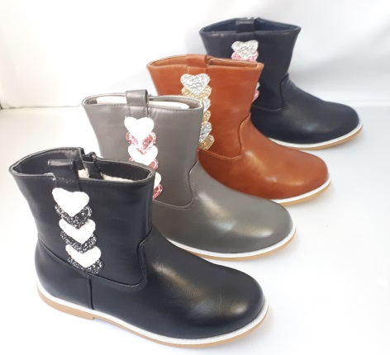 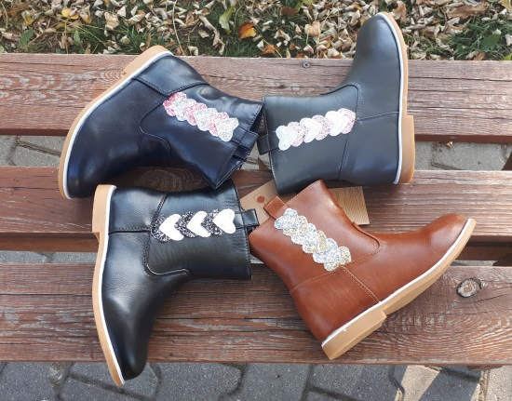 | 30-35 | Warmed children's shoes | 3288 | 274 | 12 | 7.9
710046-2 | 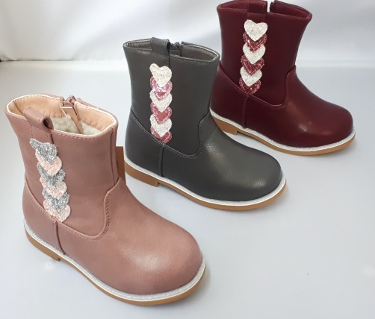 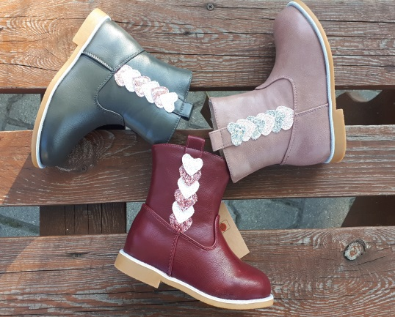 | 25-30 | Warmed children's shoes | 2172 | 181 | 12 | 7.9
710046-3 | 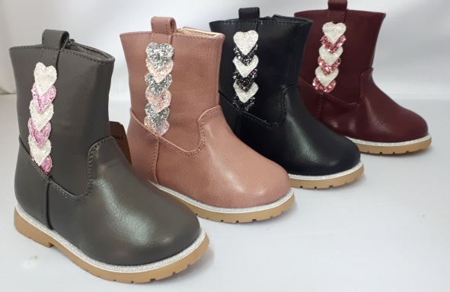 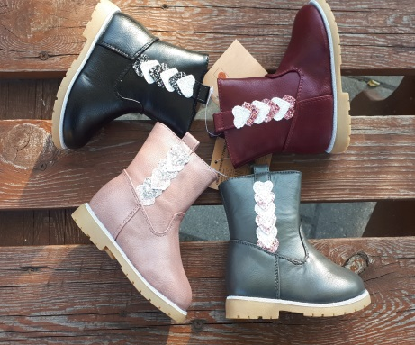 | 20-25 | Warmed children's shoes | 3084 | 257 | 12 | 7.9
72002-2 | 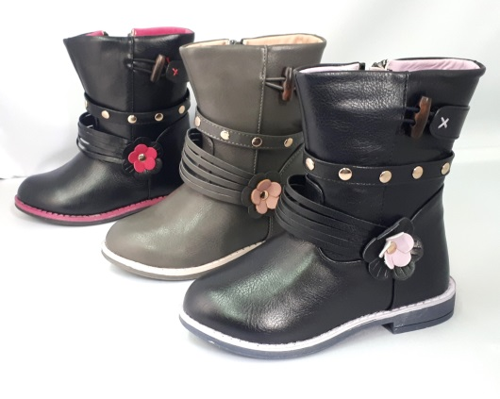 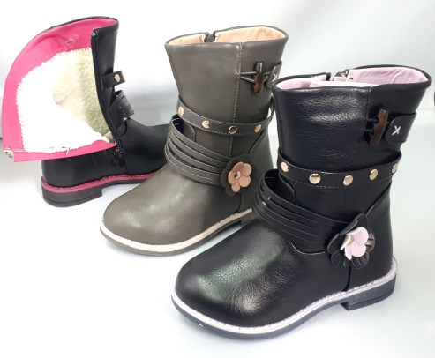 | 25-30 | Warmed children's shoes | 2160 | 180 | 12 | 7.9
72002-3 | 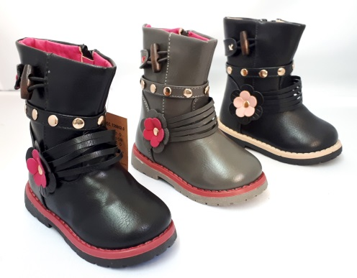 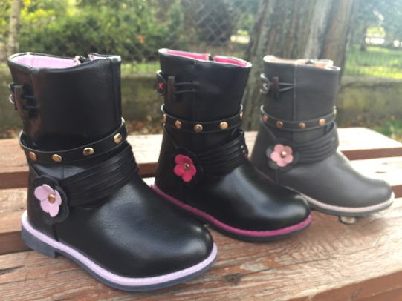 | 20-25 | Warmed children's shoes | 2340 | 195 | 12 | 7.9

 | Each pair is packed in a brown paper box
 | Each carton contains of 12 boxes with fulll size.
 | Each model with full colors, aproximately the same quantity of each color

